Headers
First Page Heading
 | User input | auto calculated | From another Table |  | From look up table
STATE OF CALIFORNIA
Mechanical Systems
NRCC-MCH-E (Created XX/XX) |  |  |  | CALIFORNIA ENERGY COMMISSION
CERTIFICATE OF COMPLIANCE |  |  |  |  | NRCC-MCH-E
Table Instructions: Include any mechanical systems that are within the scope of the permit application and are demonstrating compliance using the prescriptive path outlined in §140.4, or §141.0(b)2 for alterations.
Project Name: |  |  |  | Report Page: | Page 1 of ??
Project Address: |  |  |  | Date Prepared:

 | The project name and date prepared is a user input on the first page, but will populate the heading on all other pages.

Heading for all other pages
STATE OF CALIFORNIA
Mechanical Systems
NRCC-MCH-E (Created XX/XX) |  |  |  | CALIFORNIA ENERGY COMMISSION
CERTIFICATE OF COMPLIANCE |  |  |  |  | NRCC-MCH-E
Project Name: |  |  |  | Report Page: | Page 1 of ??
Project Address: |  |  |  | Date Prepared:

 | Footer on all pages:
 | CA Building Energy Efficiency Standards - 2019 Nonresidential Compliance: http://www.energy.ca.gov/title24/2019standards/

F. HVAC Systems
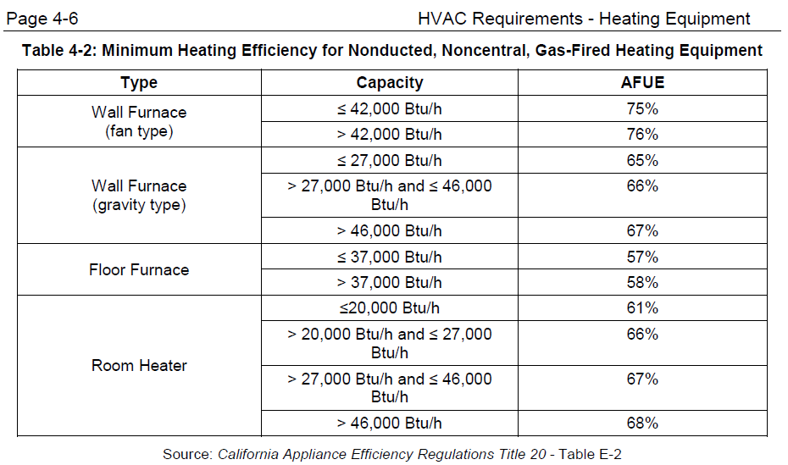
 | User input |  |  | auto calculated |  |  |  |  |  | From another Table |  | From look up table
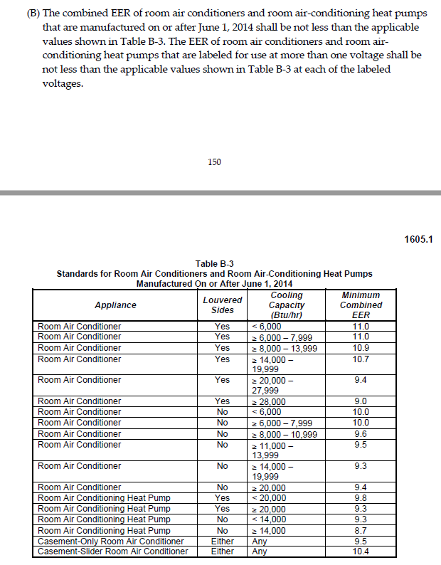
F. HVAC SYSTEM SUMMARY (DRY & WET SYSTEMS)
Table Instructions: Complete the following equipment schedules to show compliance with mandatory requirements found in §110.1 and §110.2(a) and prescriptive requirements found in §140.4 (a), §140.4(b) and §140.4(k) or §141.0(b)2 for alterations.
Dry System Equipment Sizing (includes air conditioners, condensers, heat pumps, VRF, furnaces and unit heaters)
01 | 02 | 03 | 04 | 05 | 06 | 07 | 08 | 09 | 10 | 11
Name or Item Tag | Equipment Category per Tables 110.2 | Equipment Type per Tables 110.2 & Title 20 | Smallest Size Available1 §140.4(a) | Equipment Sizing per Mechanical Schedule (Btu/h) §140.4 (a&b)
 |  |  |  | Heating Output2,3 |  |  | Cooling Output2,3 |  | Load Calculations3,4
 |  |  |  | Per Design (Btu/h) | Rated (Btu/h) | Supp. Heating Output (Btu/h) | Sensible Per Design (Btu/h) | Rated (Btu/h) | Total Heating Load | Total Sensible Cooling Load
 | Dropdown | Dropdown | Dropdown
1 FOOTNOTES: Equipment shall be the smallest size, within the available options of the desired equipment line, necessary to meet the design heating and cooling loads of the building per §140.4(a). Healthcare facilities are excepted. |  |  |  |  |  |  |  | Reset | Add Row | Remove Last
2 It is common practice to show rated output capacity on the equipment schedule. Sensible cooling output comes from specification sheet tables.
3 If equipment is heating only, leave cooling output and load blank. If equipment is cooling only, leave heating output and load blank.
4 Authority Having Jurisdiction may ask for load calculations used for compliance per §140.4(b). |  |  |  |  |  |  |  |  |  |  |  |  |  |  | Customized Sizing drop downs for column 02 in Dry System Equipment Efficiency (other than Package Terminal Air Conditioners (PTAC) and Package Terminal Heat Pumps (PTHP)) Table
 | Equipment Category Dropdown | Eq Type Dropdown | Smallest Size Dropdown |  |  |  |  |  |  |  |  | Dropdown for Column 03 Eq Type
 | Unitary AC/ Condensers | Ben, see column M. | Yes |  |  |  |  |  |  |  | Used w "split furnace + AC" OR "packaged furnace + AC" OR "Unitary AC/ condenser" | AC, air cooled, split/ single package | << from Table 110.2-A | From Table 110.2-A >> | AC, air cooled, split/ single package | AC, water cooled | AC, evaporatively cooled | Condensing Units, air cooled | Condensing Units, water cooled | Condensing Units, evaporatively cooled
 | Unitary heat pumps |  | NA: Standby Equip. |  |  |  |  |  |  |  | "Unitary AC/ Condensers" | AC, water cooled | << from Table 110.2-A |  | > 65,000 and < 135,000 | > 65,000 and < 135,000 | > 65,000 and < 135,000 | > 135,000 | > 135,000 | > 135,000
 | PTAC/ PTHP |  | NA: Load Controls |  |  |  |  |  |  |  |  | AC, evaporatively cooled | << from Table 110.2-A |  | > 135,000 and < 240,000 | > 135,000 and < 240,000 | > 135,000 and < 240,000
 | SPVAC/ SPVHP |  | NA: Altered per §141.0(b)2E |  |  |  |  |  |  |  |  |  | << from Table 110.2-A |  | > 240,000 and < 760,000 | > 240,000 and < 760,000 | > 240,000 and < 760,000
 | Variable Refrigerant Flow |  | NA: System serves Healthcare |  |  |  |  |  |  |  |  | Condensing units, air cooled | << from Table 110.2-A |  | > 760,000 | > 760,000 | > 760,000
 | Furnace/ Unit heater |  |  |  |  |  |  |  |  |  |  | Condensing units, water cooled | << from Table 110.2-A
 | Computer Rm AC |  |  |  |  |  |  |  |  |  |  | Condensing units, evaporatively cooled | << from Table 110.2-A | From Table B-3 to the left >> | Room AC, louvered sides | Room AC, no louvers | Room AC, casement only | Slider Room AC, casement
 | Heat Pump + AC |  |  |  |  |  |  |  |  |  |  |  |  |  | < 6,000 | < 6,000 | Any | Any
 | Split Furnace + AC |  |  |  |  |  |  |  |  |  |  |  |  |  | > 6,000 and < 7,999 | > 6,000 and < 7,999
 | Pkg Furnace + AC |  |  |  |  |  |  |  |  |  |  |  |  |  | > 8,000 and < 13,999 | > 8,000 and < 10,999
Dry System Equipment Efficiency (other than Package Terminal Air Conditioners (PTAC) and Package Terminal Heat Pumps (PTHP)) |  |  |  |  |  |  |  |  |  |  |  | Room AC, louvered sides | << from Table B-3 to the right |  | > 14,000 and < 19,999 | > 11,000 and < 13,999
01 | 02 | 03 | 04 | 05 | 06 | 07 | 08 | 09 |  |  |  | Room AC, no louvers | << from Table B-3 to the right |  | > 20,000 and < 27,999 | > 14,000 and <19,999
Name or Item Tag | Size Category (Btu/h) | Heating Mode |  |  |  | Cooling Mode |  |  |  |  |  | Room AC, casement only | << from Table B-3 to the right |  | > 28,000 | > 20,000
 |  | Rating Condition (oF) | Efficiency Unit | Minimum Efficiency Required per Tables 110.2/ Title 20 | Design Efficiency | Efficiency Unit | Minimum Efficiency Required per Tables 110.2/ Title 20 | Design Efficiency |  |  |  | Slider Room AC, casement | << from Table B-3 to the right
From Eq Table above | Dropdown | Dropdown | Dropdown | Ben, values from Tables 110.2-A, B, C, E, H, I, J & T20 Tables |  | Dropdown | Ben, values from Tables 110.2-A, B, C, E, H, I, J & T20 Tables |  |  |  | "Heatpump + AC" | Air-cooled unitary AC/HP Split Sys (3Ph) | << from Table C-4 to the right
 |  |  |  |  |  | Dropdown | Ben, values from Tables 110.2-A, B, C, E, H, I, J & T20 Tables |  |  |  |  | Air-cooled unitary AC/HP Pkg (3Ph) | << from Table C-4 to the right
 |  |  |  |  |  |  |  | Reset |  |  | "Unitary Heat Pumps" | Air cooled split/ single package | << from Table 110.2-B
 | Size Category Dropdown | Rating Condition Dropdown | Unit Dropdown |  |  | Unit Dropdown |  |  |  |  |  | Water source | << from Table 110.2-B | From Table C-4 to the left >> | Air-cooled unitary AC/HP Split Sys (3Ph) | Air-cooled unitary AC/HP Pkg (3Ph)
 | Ben, see tables in column AF of this tab for custom drop downs. Sorry! | See choices in notes in column AF rows 33 & 61 of this tab. | COP |  |  | EER |  |  |  |  |  | Groundwater source | << from Table 110.2-B |  | < 65,000 | < 65,000
 |  |  | AFUE |  |  | IEER |  |  |  |  |  | Ground source | << from Table 110.2-B
 |  |  | Et |  |  | SEER |  |  |  |  |  | Water source water-to-water | << from Table 110.2-B | From Table 110.2-B >> | Air cooled split/ single package | Water source | Groundwater source | Ground source | Water source water-to-water | Groundwater source water-to water | Ground source brine-to-water
 |  |  | Ec |  |  | COP |  |  |  |  |  | Groundwater source water-to water | << from Table 110.2-B |  | > 65,000 and < 135,000 | > 65,000 and < 135,000 | < 135,000 | < 135,000 | < 135,000 | < 135,000 | < 135,000
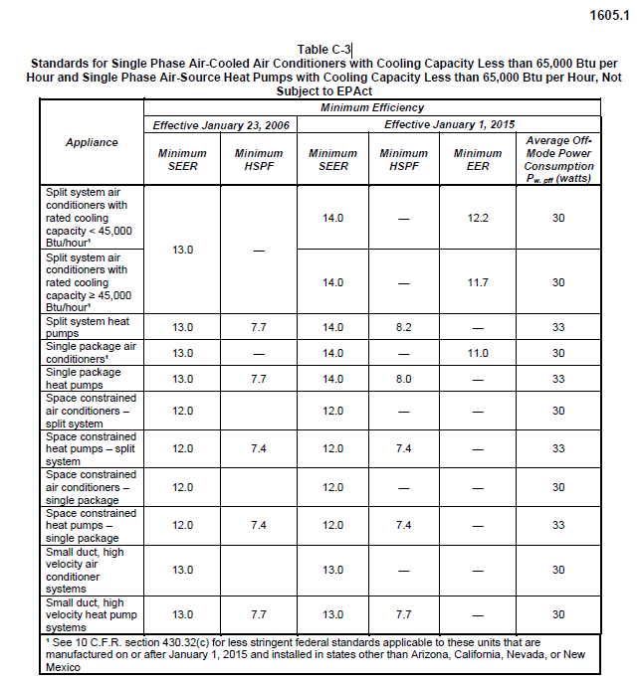
 | Cooling <65k, Heating < 225k |  | HSPF |  |  | SCOP Downflow |  |  |  |  |  | Ground source brine-to-water | << from Table 110.2-B |  | > 135,000 and < 240,000 | > 135,000 and < 240,000
 | Cooling >65 |  |  |  |  | SCOP Upflow |  |  |  |  |  | Air-cooled gas-engine heat pump | << from Table 110.2-C |  | > 240,000
 |  |  |  |  |  |  |  |  |  |  |  | Room AC Heat Pump, louvered sides | << from Table B-3 to the right
 |  |  |  |  |  |  |  |  |  |  |  | Room AC Heat Pump, no louvers | << from Table B-3 to the right | From Table 110.2-C >> | Air-cooled gas-engine heat pump
 |  |  |  |  |  |  |  |  |  |  | "PTAC/PTHP" | PTAC newly constructed or newly conditioned | << from Table 110.2-E |  | Grey out the cell for this selection
 |  |  |  |  |  |  |  |  |  |  |  | PTAC replacements | << from Table 110.2-E
 |  |  |  |  |  |  |  |  |  |  |  | PTHP newly constructed or newly conditioned | << from Table 110.2-E | From Table B-3 to the left >> | Room AC Heat Pump, louvered sides | Room AC Heat Pump, no louvers
Dry System Equipment Efficiency (Package Terminal Air Conditioners (PTAC) and Package Terminal Heat Pumps (PTHP) only) |  |  |  |  |  |  |  |  |  |  |  | PTHP replacements | << from Table 110.2-E |  | < 20,000 | < 14,000
01 | 02 | 03 | 04 | 05 | 06 | 07 |  |  |  |  | "SPVAC/ SPVHP" | SPVAC | << from Table 110.2-E |  | > 20,000 | > 14,000
Name or Item Tag | Heating Mode |  |  | Cooling Mode |  |  |  |  |  |  |  | SPVAC nonweatherized space constrained | << from Table 110.2-E
 | Rated Output Capacity (Btu/h) | Minimum COP Required per Table 110.2-E | Design COP | Rated Output Capacity (Btu/h) | Minimum EER Required per Table 110.2-E | Design EER |  |  |  |  |  | SPVHP | << from Table 110.2-E | From Table 110.2-E >> | SPVAC | SPVAC nonweatherized space constrained | SPVHP | SPVHP nonweatherized space constrained
 |  |  |  |  |  |  |  |  |  |  |  | SPVHP nonweatherized space constrained | << from Table 110.2-E |  | < 65,000 | < 30,000 | < 65,000 | < 30,000
From Eq Table above | Comes from sizing table column 06 | See Table 110.2-E |  | Comes from sizing table column 09 | See Table 110.2-E |  |  |  |  |  |  | Split-System AC | << from Table C-3 to the right |  | > 65,000 and < 135,000 | > 30,000 and < 36,000 | > 65,000 and < 135,000 | > 30,000 and < 36,000
 |  |  |  |  |  | Reset |  |  |  |  |  | Split-System AC, space constrained | << from Table C-3 to the right |  | > 135,000 and < 240,000 |  | > 135,000 and < 240,000
 |  |  |  |  |  |  |  |  |  |  |  | Split-System Heat Pumps | << from Table C-3 to the right
 |  |  |  |  |  |  |  |  |  |  |  | Split-System HP, space constrained | << from Table C-3 to the right | From Table C-3 to the right >> | Split-System AC | Split-System AC, space constrained | Split-System Heat Pumps | Split-System HP, space constrained | Single Package Air Conditioner | Single Package AC, space constrained | Single Package Heat Pumps | Single Package HP, space constrained | Small Duct, high velocity AC or HP systems
 |  |  |  |  |  |  |  |  |  |  |  | Single Package Air Conditioner | << from Table C-3 to the right |  | < 45,000 | Grey out the cell for this selection | Grey out the cell for this selection | Grey out the cell for this selection | Grey out the cell for this selection | Grey out the cell for this selection | Grey out the cell for this selection | Grey out the cell for this selection | Grey out the cell for this selection
 |  |  |  |  |  |  |  |  |  |  |  | Single Package AC, space constrained | << from Table C-3 to the right |  | > 45,000
 |  |  |  |  |  |  |  |  |  |  |  | Single Package Heat Pumps | << from Table C-3 to the right
 |  |  |  |  |  |  |  |  |  |  |  | Single Package HP, space constrained | << from Table C-3 to the right | From Table 110.2-H >> | VRF air conditioners, air cooled
Boiler Efficiency and Controls |  |  |  |  |  |  |  |  |  |  |  | Small Duct, high velocity AC or HP systems | << from Table C-3 to the right |  | < 65,000
01 | 02 | 03 | 04 | 05 | 06 | 07 | 08 |  | 09 |  | "VRF" | VRF air conditioners, air cooled | << from Table 110.2-H |  | > 65,000 and < 135,000
Name or Item Tag | Equipment Type1 | Qty | Rated Input Capacity (Btu/h)2, 3 | Rated Efficiency | Minimum Efficiency Required per §110.2 | Efficiency Unit | Boiler Controls per §140.4(k) |  |  |  |  | VRF heat pump, air cooled | << from Table 110.2-I |  | > 135,000 and < 240,000
 |  |  |  |  |  |  | Isolation Valve |  | Temperature Reset |  |  | VRF water source | << from Table 110.2-I |  | > 240,000
 | Dropdown to match Table 110.2-K |  | Dropdown |  | Ben, values from Table 110.2-K | Ben, units from Table 110.2-K | Dropdown |  | Dropdown |  |  | VRF groundwater source | << from Table 110.2-I
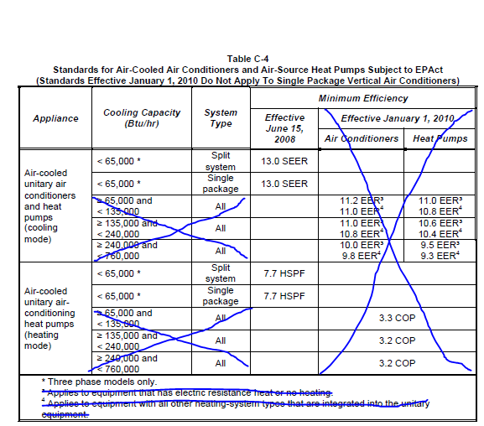
1 FOOTNOTES: Use NRCC-PLB to document compliance with domestic water heating equipment. |  |  |  |  |  |  |  | Reset | Add Row | Remove Last |  | VRF ground source | << from Table 110.2-I | From Table 110.2-I >> | VRF heat pump, air cooled | VRF water source | VRF groundwater source | VRF ground source
2 Maximum capacity- minimum and maximum ratings as provided for and allowed by the unit's controls |  |  |  |  |  |  |  |  |  |  | Use w "Split furnace + AC" OR "Furnace/ Unit Heater" | Warm-air central furnace, gas-fired | << from Table 110.2-J |  | < 65,000 | < 65,000 | < 135,000 | < 135,000
3 Includes oil-fired (residual) |  |  |  |  |  |  |  |  |  |  | "Furnace/ Unit Heater" | Warm-air duct furnace, gas-fired | << from Table 110.2-J |  | > 65,000 and < 135,000 | > 65,000 and < 135,000 | > 135,000 | > 135,000
 |  |  |  |  |  |  |  |  |  |  |  | Warm-air unit heaters, gas-fired | << from Table 110.2-J |  | > 135,000 and < 240,000 | > 135,000 and < 240,000
 | Equipment Type Dropdown |  | Rated Input Capacity Dropdown |  |  |  | Isolation Dropdown |  | Temperature Reset Dropdown |  | Use w "Pkg Furnace + AC" OR "Furnace/ Unit Heater" | Weatherized gas central furnace w single phase supply | << from Table 4-1 to the right |  | > 240,000
 | Hot water: Gas-Fired |  | < 300,000 |  |  |  | Yes |  | Yes |  |  | Non-weatherized gas central furnace w single phase supply | << from Table 4-1 to the right
 | Hot water: Oil-Fired |  | 300,000 to 500,000 |  |  |  | NA: only 1 boiler in plant |  | NA: < 500,000 Btu/h |  | "Furnace/ Unit Heater" | Wall furnace, fan | << from Table 4-2 to the right | From Table 110.2-J >> | Warm-air central furnace, gas-fired | Warm-air duct furnace, gas-fired | Warm-air unit heaters, gas-fired
 | Steam: Gas-Fired, not natural draft |  | > 500,000 to 2,500,000 |  |  |  |  |  | NA: Variable Flow Controls |  |  | Wall furnace, gravity | << from Table 4-2 to the right |  | < 225,000 | Grey out the cell for this selection | Grey out the cell for this selection
 | Steam: Gas-Fired |  | > 2,500,000 |  |  |  |  |  | NA: System serves Healthcare |  |  | Floor furnace | << from Table 4-2 to the right |  | > 225,000
 | Steam: Oil-Fired |  |  |  |  |  |  |  |  |  |  | Room Heater | << from Table 4-2 to the right
 |  |  |  |  |  |  |  |  |  |  | "Computer Rm AC" | CRAC, air-cooled | << from Table C-7 to the right | From Table 4-1 to the left >> | Weatherized gas central furnace w single phase supply | Non-weatherized gas central furnace w single phase supply
 |  |  |  |  |  |  |  |  |  |  |  | CRAC, water-cooled | << from Table C-7 to the right |  | < 225,000 | < 225,000
 |  |  |  |  |  |  |  |  |  |  |  | CRAC, water-cooled w econ | << from Table C-7 to the right
Chiller Efficiency and Controls |  |  |  |  |  |  |  |  |  |  |  | CRAC, Glycol-cooled | << from Table C-7 to the right | From Table 4-2 to the right >> | Wall furnace, fan | Wall furnace, gravity | Floor furnace | Room Heater
01 | 02 | 03 | 04 | 05 |  | 06 | 07 | 08 | 09 | 10 |  | CRAC, Glycol-cooled w econ | << from Table C-7 to the right |  | < 42,000 | < 27,000 | < 37,000 | < 20,000
Name or Item Tag | Equipment Type | Qty | Size Category1 (Tons) | Chiller Efficiency "Path B" Exception per §140.4(i) |  | Rated Efficiencies | Minimum Efficiencies Required per §110.2 | Efficiency Unit | Controls per §140.4(k) |  |  |  |  |  | > 42,000 | > 27,000 and < 46,000 | > 37,000 | > 20,000 and < 27,000
 |  |  |  |  |  |  |  |  | Isolation Valve | Temperature Reset |  |  |  |  |  | > 46,000 |  | > 27,000 and < 46,000
 | Dropdown to match Table 110.2-D |  | Dropdown | Dropdown |  |  | Ben, "Path B" value from Table 110.2-D | Ben, "Path B" units from Table 110.2-D | Dropdown | Dropdown |  |  |  |  |  |  |  | > 46,000
 |  |  |  |  |  |  | Ben, "Path B" value from Table 110.2-D | Ben, "Path B" units from Table 110.2-D
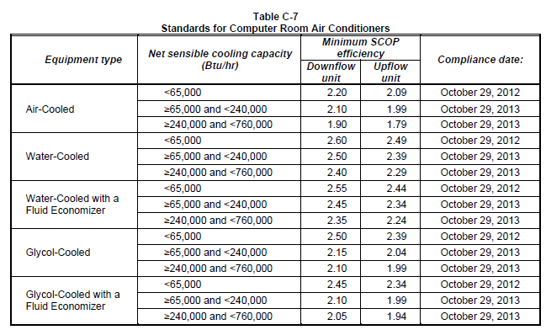
1 FOOTNOTES: Chilled water plants shall not have more than 300 tons provided by air-cooled chillers. Exceptions may apply per §140.4(j). |  |  |  |  |  |  |  | Reset | Add Row | Remove Last |  |  |  | From Table C-7 to the right >> | CRAC, air-cooled | CRAC, water-cooled | CRAC, water-cooled w econ | CRAC, Glycol-cooled | CRAC, Glycol-cooled w econ
 |  |  |  |  |  |  |  |  |  |  |  |  |  |  | < 65,000 | < 65,000 | < 65,000 | < 65,000 | < 65,000
 | Equipment Type Dropdown |  | Size Category Dropdown | Efficiency Exception Dropdown |  |  |  |  | Isolation Dropdown | Temp Reset Dropdown |  |  |  |  | > 65,000 and < 240,000 | > 65,000 and < 240,000 | > 65,000 and < 240,000 | > 65,000 and < 240,000 | > 65,000 and < 240,000
 | Air Cooled: Condenser elec. operated |  | < 75 | No exception taken |  |  |  |  | Yes | Yes |  |  |  |  | > 240,000 and < 760,000 | > 240,000 and < 760,000 | > 240,000 and < 760,000 | > 240,000 and < 760,000 | > 240,000 and < 760,000
 | Air Cooled: w/o condenser elec. operated |  | ≥ 75 and < 150 | 1. Electrical service > 600V |  |  |  |  | NA: only 1 chiller in plant | NA: ≤ 500 kBtu/hr (41.67 tons)
 | Water Cooled: Reciprocating |  | ≥ 150 and < 300 | 2. Heat recovery w/ design capacity > 40% of the design chiller cooling capacity |  |  |  |  | NA: chillers in series | NA: Variable Flow Controls |  |  |  | From Table 110.2-A & 110.2-J >>> | AC, air cooled, split/ single package + Warm-air central furnace, gas-fired
 | Water Cooled: Positive displacement |  | ≥ 300 and < 400 | 3. Charging energy storage systems w/ charging temperature < 40oF |  |  |  |  |  | NA: System serves Healthcare |  |  |  |  | >65kBtuh cooling/ <225kBtuh heating
 | Water Cooled: Centrifugal |  | ≥ 400 and < 600 | 4. 4th (or more) chiller in this building |  |  |  |  |  |  |  |  |  |  | >65kBtuh cooling/ >225kBtuh heating
 | Air Cooled: Absorption, single effect |  | ≥ 600 |  |  |  |  |  |  |  |  |  |  |  | >135kBtuh cooling/ <225kBtuh heating
 | Water Cooled: Absorption, single effect |  |  |  |  |  |  |  |  |  |  |  |  |  | >135kBtuh cooling/ >225kBtuh heating
 | Absorption: Double effect, indirect-fired |  |  |  |  |  |  |  |  |  |  |  |  |  | >240kBtuh cooling/ <225kBtuh heating
 | Absorption: Double effect, direct-fired |  |  |  |  |  |  |  |  |  |  |  |  |  | >240kBtuh cooling/ >225kBtuh heating
 | Water Cooled: Gas engine |  |  |  |  |  |  |  |  |  |  |  |  |  | >760kBtuh cooling/ <225kBtuh heating
 |  |  |  |  |  |  |  |  |  |  |  |  |  |  | >760kBtuh cooling/ >225kBtuh heating
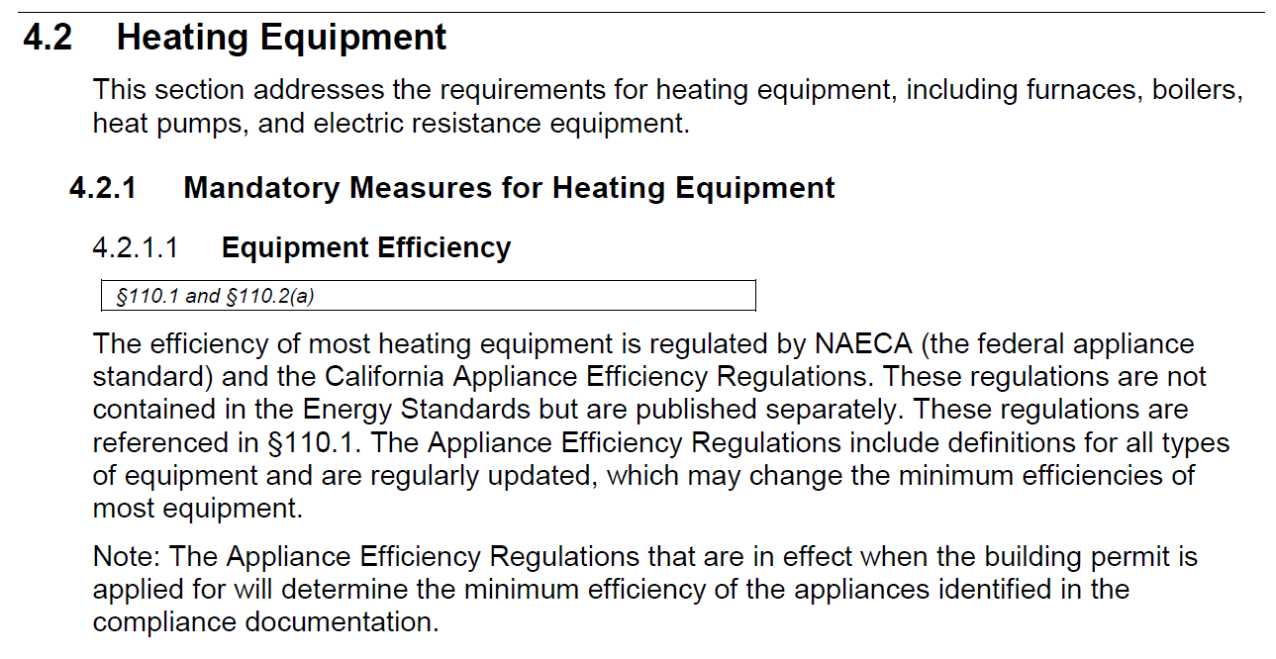
Heat Rejection Equipment (Cooling Towers, Condensers, Waterside Economizers) Efficiency and Controls
01 | 02 | 03 | 04 |  | 05 | 06 | 07 | 08 | 09 | 10 | 11 | 12 |  | From Table 110.2-A & 110.2-J & Tbale 4-1 to the left >>> | AC, air cooled, split/ single package + Weatherized gas central furnace w single phase supply | AC, air cooled, split/ single package + Warm-air central furnace, gas-fired
Name or Item Tag | Equipment Type1 | Qty | Rating Condition (oF) |  | Rated Performance | Minimum Required Performance per Table 110.2-G | Performance Unit | Fan Speed Control §140.4(h)2 | Tower Flow Turndown §140.4(h)3 | Fan Control in Multiple Cell Equipment §140.4(h)5 | Economizer Controls §140.4(e) | Condenser Water Temp Reset Controls |  |  | >65kBtuh cooling/ <225kBtuh heating | >65kBtuh cooling/ <225kBtuh heating
 |  |  |  |  |  |  |  |  |  |  |  |  |  |  | >135kBtuh cooling/ <225kBtuh heating | >135kBtuh cooling/ <225kBtuh heating
 | Dropdown to match Table 110.2-G |  | Dropdown |  |  | Ben, value from Table 110.2-G | Ben, unit from Table 110.2-G | Dropdown | Dropdown | Dropdown | Dropdown | Dropdown |  |  | >240kBtuh cooling/ <225kBtuh heating | >240kBtuh cooling/ <225kBtuh heating
1 FOOTNOTES: Centrifugal fan open-circuit towers are not allowed for rated capacities > 900 gpm at 95oF condenser water return, 85oF condenser water supply and 75oF outdoor wet-bulb temperature. Exceptions may apply per §140.4(h)4. |  |  |  |  |  |  |  |  |  | Reset | Add Row | Remove Last |  |  | >760kBtuh cooling/ <225kBtuh heating | >760kBtuh cooling/ <225kBtuh heating

 | Equipment Type Dropdown |  | Rating Condition Dropdown |  |  |  |  | Fan Speed Control Dropdown | Tower Flow Turndown Dropdown | Fan Control Dropdown | Economizer Control Dropdown | Cond. Water Temp Reset Controls Dropdown
 | Propeller/ axial fan open-circuit cooling tower |  | 165oF entering gas temp 105oF condensing temp 75oF entering air wb" |  |  |  |  | Yes | Yes | Yes | Designed per §140.4(e) | Yes
 | Propeller/ axial fan closed-circuit cooling tower |  | 140oF entering gas temp 96.3oF condensing temp 75oF entering air wb" |  |  |  |  | NA: Fan motor < 7.5hp (5.6kW) | NA: Single condenser water pump | NA: Not multiple cell |  | No
 | Centrifugal fan open-circuit cooling tower |  |  |  |  |  |  | NA: Integral to other equip. | NA: Not open-circuit tower | NA: No variable speed drives
 | Centrifugal fan closed-circuit cooling tower |  |  |  |  |  |  | NA: Cond. fans serving > 1 refrigerant circuits
 | Propeller/ axial fan evaporative condensers |  |  |  |  |  |  | NA: Cond. fans serving flooded cond.
 | Centrifugal fan evaporative condensers |  |  |  |  |  |  | NA: Mult. fans & lead fans meet req.
 | Air cooled condensers
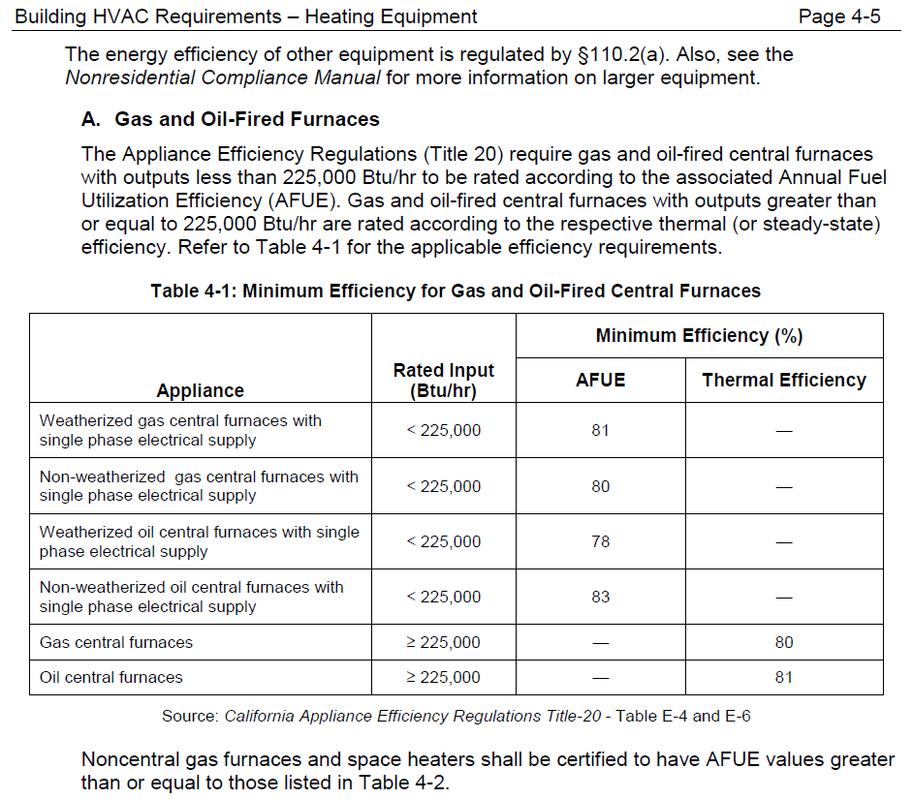
 | Waterside Economizer

Electric Resistance Heating
01 | 02 | 03 | 04
Name or Item Tag | Equipment Description | Output Capacity (kW) | Applicable Exception to §140.4(g) Allowing Electric Resistance Heating
 | dropdown |  | dropdown

 |  |  | Elec Resistance Dropdown
 | Dropdown |  | Exception 1: Supplement to a heating system in which at least 60% of the annual energy requirement is supplied by site-solar or recovered energy.
 | Baseboard |  | Exception 2: Supplement to a heat pump heating system and the heating capacity of the heat pump is more than 75% of the design heating load calculated in accordance with §140.4.
 | Under-mat |  | Exception 3: Total capacity of electric-resistance heating systems serving the entire building is less than 10% of the total design output capacity of all heating equipment serving the entire building.
 | Other |  | Exception 4: Total capacity of electric-resistance heating systems serving the entire building, excluding those allowed under Exception 2, is no more than 3 kW.
 |  |  | Exception 5: Serving an entire building that is not high-rise residential or hotel/motel and has a conditioned floor area no greater than 5,000 ft2, has no mechanical cooling and is in an area without natural gas access.
 |  |  | NA: Alteration, replacement of existing electric resistance heating system.

H. Fan Systems
 | User input |  |  | auto calculated |  |  | From another Table |  |  | From look up table

H. FAN SYSTEMS & AIR ECONOMIZERS
Table Instructions: Complete the following Table for fan systems to demonstrate compliance with prescriptive requirements found in §140.4(c), §140.4(e) and §140.4(m). First document the system details, then add fans within that system to document compliance with fan power requirements. Fan systems serving healthcare facilities, or those serving only process loads, are exempt from these requirements and do not need to be included in Table H.
System Name: |  | Economizer:1 |  | dropdown | Economizer Controls: |  | dropdown |  | System Fan Type: | dropdown
01 | 02 |  | 03 | 04 | 05 |  |  | 06 | 07 | 08
Fan Name or Item Tag | Fan Function |  | Qty | Maximum Design Supply Airflow (CFM) | HP Unit2 |  |  | Design HP | Fan Power Pressure Drop Adjustment- Table 140.4-B
 |  |  |  |  |  |  |  |  | Device | Design Airflow through Device (CFM)
 | dropdown |  |  |  | Dropdown |  |  |  | Dropdown
 |  |  |  |  |  |  |  |  | Calculated Adjustment (in H2O)
 |  |  |  |  |  | Add Fan to System |  | Add Pressure Drop Adj. Device | Remove Last Fan | Remove Last Pressure Drop Adj. Device
Total System Design Supply Airflow (CFM): |  |  |  | sum(03x04) for all fans in system | Total System Design (B)HP: |  |  | sum(03x06) for all fans in system | Maximum System Fan Power (B)HP:
1 FOOTNOTE: Computer room economizers must meet requirements of §140.9(a) and will be documented on the NRCC-PRC-E document. |  |  |  |  |  |  |  | Reset | Add System | Remove Last
2 The unit used for HP must be consistent for all fans within a system.

 | Fan Function Dropdown |  |  | Economizer Dropdown |  |  | Economizer Control Dropdown |  |  | Fan Type Dropdown
 | Supply |  |  | Fixed Temperature |  |  | Designed per §140.4(e) and (m) |  |  | Constant Volume
 | Return |  |  | Fixed Enthalpy |  |  | NA: System serves Healthcare Facility |  |  | Variable Air Volume
 | Exhaust |  |  | Differential Temperature
 | Other (Transfer, VAV box) |  |  | Differential Enthalpy
 |  |  |  | Waterside Economizer (See Tbl. F) | HP Unit Dropdown |  |  |  | Device Dropdown
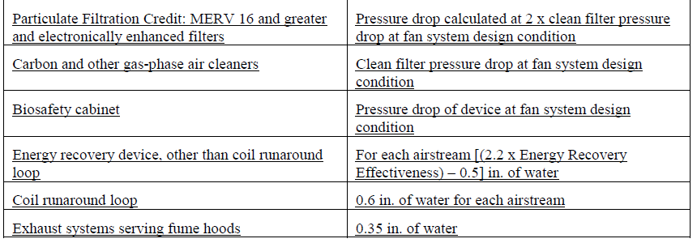
 |  |  |  | NA: < 54 kBtu/h cooling | BHP |  |  |  | None used | < grey out column 08
 |  |  |  | NA: Special OA filtration | Nameplate HP |  |  |  | Fully ducted return/ exhaust | < use value from Table 140.4-B = 0.5
 |  |  |  | NA: High-rise res/hotel/motel |  |  |  |  | Systems maintaining pressure differentials between rooms | < use value from Table 140.4-B = 0.5
 |  |  |  | NA: Efficiency per Table 140.4-D |  |  |  |  | Return/ exhaust airflow control devices | < use value from Table 140.4-B = 0.5
 |  |  |  | NA: System operates @ 100% OSA |  |  |  |  | Exhaust filters, scrubbers, treatment | < use user-entered value from column 08 (calculated adjustment)
 |  |  |  | See NRCC-PRC for details1 |  |  |  |  | MERV 16 or greater/ electronically enhanced filters | < use user-entered value from column 08 (calculated adjustment)
 |  |  |  |  |  |  |  |  | Carbon/ gas-phase air cleaners | < use user-entered value from column 08 (calculated adjustment)
 |  |  |  |  |  |  |  |  | Biosafety cabinet | < use user-entered value from column 08 (calculated adjustment)
 |  |  |  |  |  |  |  |  | Energy recovery device (not coil runaround loop) | < use user-entered value from column 08 (calculated adjustment)
 |  |  |  |  |  |  |  |  | Coil runaround loop | < use value from Table 140.4-B = 0.5
 |  |  |  |  |  |  |  |  | Exhaust system serving fume hoods | < use value from Table 140.4-B = 0.5
 |  |  |  |  |  |  |  |  | MERV 9-12 (Alterations only) | < use value from Table 141.0-D = 0.5
 |  |  |  |  |  |  |  |  | MERV 13-15 (Alterations only) | < use value from Table 141.0-D = 0.9

J. Ventilation
 |  | User input |  | auto calculated |  |  |  | From another Table |  |  | From look up table |  | User Input | auto calculated | From another Table | From look up table | User input | auto calculated | From another Table |  | From look up table |  | User input | auto calculated | From another Table | From look up table | User input | auto calculated | From another Table | From look up table | User input | auto calculated | From another Table | From look up table | User input | auto calculated | From another Table | From look up table | User input | auto calculated | From another Table | From look up table | User input | auto calculated | From another Table | From look up table | User input | auto calculated | From another Table | From look up table | User input | auto calculated | From another Table | From look up table | User input | auto calculated | From another Table | From look up table | User input | auto calculated | From another Table | From look up table | User input | auto calculated | From another Table | From look up table | User input | auto calculated | From another Table | From look up table | User input | auto calculated | From another Table | From look up table

J. VENTILATION AND INDOOR AIR QUALITY
Table Instructions: Complete the following Table to demonstrate compliance with mandatory ventilation requirements in §120.1 and §120.2(e)3B for all nonresidential, high-rise residential and hotel/motel occupancies. In lieu of this table, the required outdoor ventilation rates and airflows may be shown on the plans or the calculations can be presented in a spreadsheet. |  |  |  |  |  |  |  |  |  |  |  | MOST OF THIS TABLE HAS BEEN CHANGED for 2019
01 | ¨ | Check the box if the project is showing ventilation calculations on the plans, or attaching the calculations instead of completing this table.
02 | ¨ | Check the box if the project is using natural ventilation in any spaces to meet required ventilation rates per §120.1(c)2. Natural ventilation is not permissible for providing dwelling unit ventilation airflow per §120.1(b)2.
03 |  |  | 04 |  |  | 05 |  |  | 06
System Name: |  |  | System Design OA CFM Air Flow1 |  |  | System Design Transfer Air CFM |  |  | Air Filtration per §120.1(b) and §120.1(c)2
 |  |  |  |  |  |  |  |  | See dropdown
07 | 08 |  | 09 | 10 | 11 | 12 | 13 | 14 | 15 |  |  |  |  |  |  |  |  |  |  | CHECK FIGURES |  | WARNINGS
Space Name or Item Tag | Mechanical Ventilation Required per §120.1(c)33 |  |  |  |  |  | Exh. Vent. per §120.1(c)4 |  | DCV or Occupant Sensor Controls per §120.1(d)3, §120.1(d)5 & §120.2(e)36
 | Occupancy Type4 |  | Conditioned Floor Area (ft2) | # of bedrooms/ showerheads/ toilets | # of people5 | Required Min OA CFM | Required Minimum CFM | Provided per Design CFM
 | See dropdown |  |  |  |  |  |  |  | DCV | See dropdown
 |  |  |  |  |  |  |  |  | Occ Sensor | See dropdown
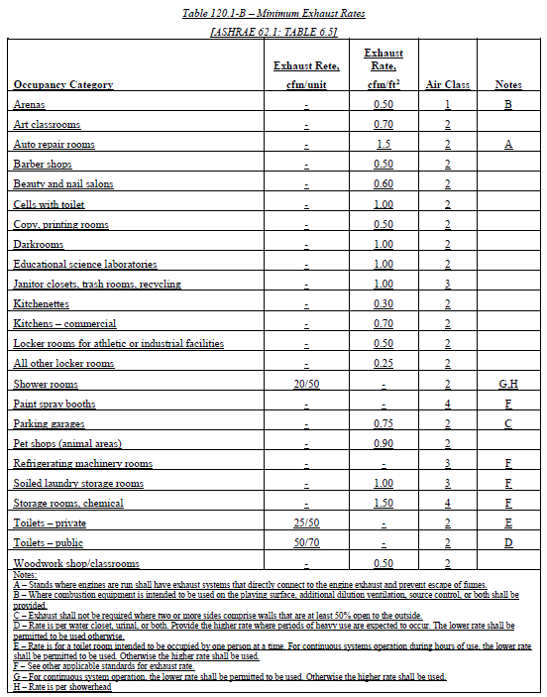
 |  |  |  |  |  |  |  | Reset | Add Occupancy Type | Remove Last
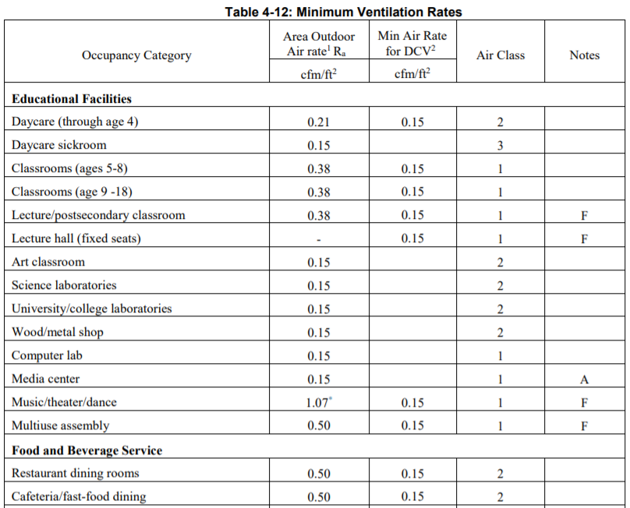
16 | Total System Required Min OA CFM |  |  |  |  | sum of col 11 for all spaces in system | 17 | OA CFM for this System Complies? |  | "Yes"/ "No"
1 FOOTNOTES: System CFM should include both mechanical and natural ventilation for the zone/system. |  |  |  |  |  |  |  | Reset | Add System | Remove Last
2 Air filtration requirements apply to the following three system types per §120.1(b)1A and §120.1(c)1A: space conditioning systems utilizing ducts to supply air to occupiable space; supply-only ventilation systems providing outside air to occupiable space; supply side of balanced ventilation systems including heat recovery and energy recovery ventilation systems providing outside air to occupiable space.
3 Uniform Mechanical Code may have more stringent ventilation requirements; the most stringent code requirement takes precedence.
4 See Table 4-12 in the Nonresidential Compliance Manual.
5 For lecture halls with fixed seating, the expected number of occupants shall be determined in accordance with the California Building Code.
6 Exceptions to §120.2(e)3 allows multipurpose rooms, conference rooms, convention, auditorium and meeting centers to be exempted from occupancy sensor ventilation requirements. |  |  |  |  |  |  |  |  | Air filtration dropdown
 | Occupancy Type Dropdown |  | cfm/ft2 for column 12 calc | cfm/ft2 for column 13 calc |  |  |  |  | Provided per §120.1(b) (Dwelling Units)
 |  | All others | 0.15 |  |  |  |  |  | Provided per §120.1(c) (Nonresidential)
 |  | Arcade | 0.68 |  |  |  |  |  | NA: Not system type specified in footnote 2
 |  | Arena- gym | 0.5 | 0.5 |  |  |  |  | NA: Evaporative Cooler (Dwelling Units only)
 |  | Arena- spectator area | 0.5 | 0.5
 |  | Assembly- multiuse | 0.5 |  |  |  |  |  |  | DCV Dropdown
 |  | Auditorium seating | 1.07 |  |  |  |  |  |  | Provided per §120.1(d)4
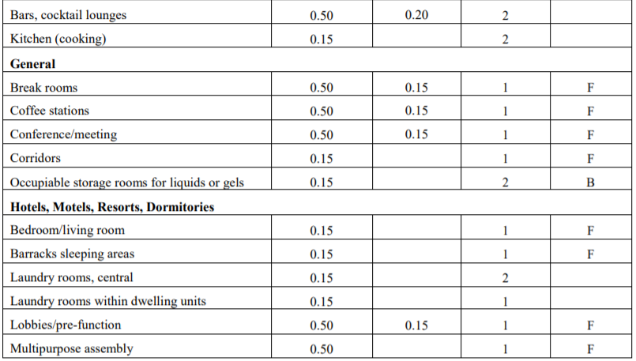
 |  | Auto-repair room | 0.15 | 0.5 |  |  |  |  |  | NA: no economizer; nor a high density; nor a single zone or multi-zone w/ DDC@ zone
 |  | Bank | 0.15 |  |  |  |  |  |  | NA: Continously occupied and high density; healthcare/medical facility/social services building
 |  | Bank Vault/safe deposit | 0.15 |  |  |  |  |  |  | NA: Space exhaust is > design ventilation rate exception
 |  | Bar/ cocktail lounge | 0.5 |  |  |  |  |  |  | NA: Processes that generate dust, fumes, etc.& no local exhaust
 |  | Barbershop | 0.4 | 0.5 |  |  |  |  |  | NA: Area <150 ft2 or design occupancy < 10 people
 |  | Barracks sleeping area | 0.15 |  |  |  |  |  |  | NA: Area <1,500 ft2 +Occ Sensor provided
 |  | Beauty/ nail salon | 0.4 | 0.6
 |  | Bedroom/Living room (hotel/motel/dorm) | 0.15 |  |  |  |  |  |  | Occ Sens Dropdown
 |  | Bowling alley | 1.07 |  |  |  |  |  |  | Provided per §120.1(d)5
 |  | Break room | 0.5 |  |  |  |  |  |  | NA: Continously operated per §120.2(e)3 exception5
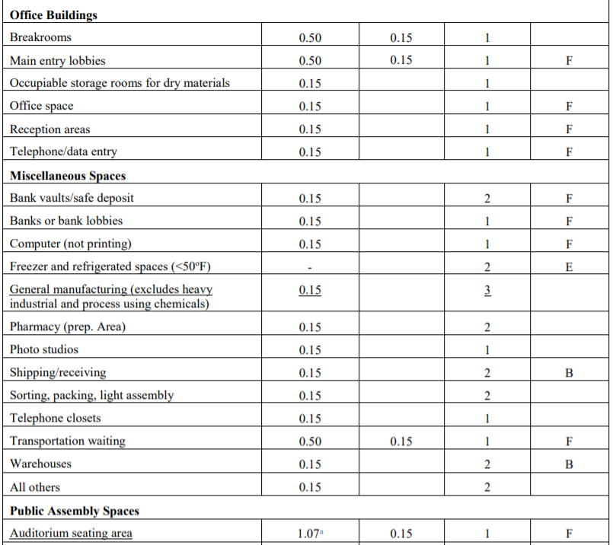
 |  | Cafeteria/ fast-food dining | 0.5 |  |  |  |  |  |  | NA: System < 2kW demand + manual shutoff per §120.2(e)3 exception5
 |  | Casino | 0.68 |  |  |  |  |  |  | NA: Hotel/ motel + manual shutoff per §120.2(e)3 exception3
 |  | Cells with toilet | 0.15 | 1.0 |  |  |  |  |  | NA: DCV provided
 |  | Classroom (age 5-18) | 0.38 |  |  |  |  |  |  | NA: Not required space type
 |  | Classroom- Art | 0.15 | 0.7
 |  | Coffee station | 0.5
 |  | Computer Lab | 0.15
 |  | Conference/ meeting | 0.5
 |  | Copy/ printing room | 0.15 | 0.5
 |  | Corridor | 0.15
 |  | Courtroom | 0.19
 |  | Darkroom | 0.15 | 1.0
 |  | Daycare | 0.21
 |  | Daycare Sickroom | 0.15
 |  | Disco/ dance floor | 1.5
 |  | Dwelling Unit (attached)
 |  | Health club | 0.15
 |  | Janitor closer | 0.15 | 1.0
 |  | Kitchenettes | 0.15 | 0.3
 |  | Kitchen-commercial | 0.15 | 0.7
 |  | Laboratory- Science | 0.15 | 1.0
 |  | Laboratory- University | 0.15 | 1.0
 |  | Laundry room (central) | 0.15
 |  | Laundry (soiled storage) | 0.15 | 1.0
 |  | Laundry room (dwelling unit) | 0.15
 |  | Laundry-coin operated | 0.3
 |  | Lecture Hall (fixed seats)
 |  | Lecture/ postsecondary | 0.38
 |  | Legislative chamber | 0.19
 |  | Library- reading room/stacks | 0.15
 |  | Lobby/ pre-function | 0.5
 |  | Locker room (athletic facility) | 0.15 | 0.5
 |  | Locker room (all others) | 0.15 | 0.25
 |  | Mall common area | 0.25
 |  | Manufacturing- non chemical | 0.15
 |  | Media Center | 0.15
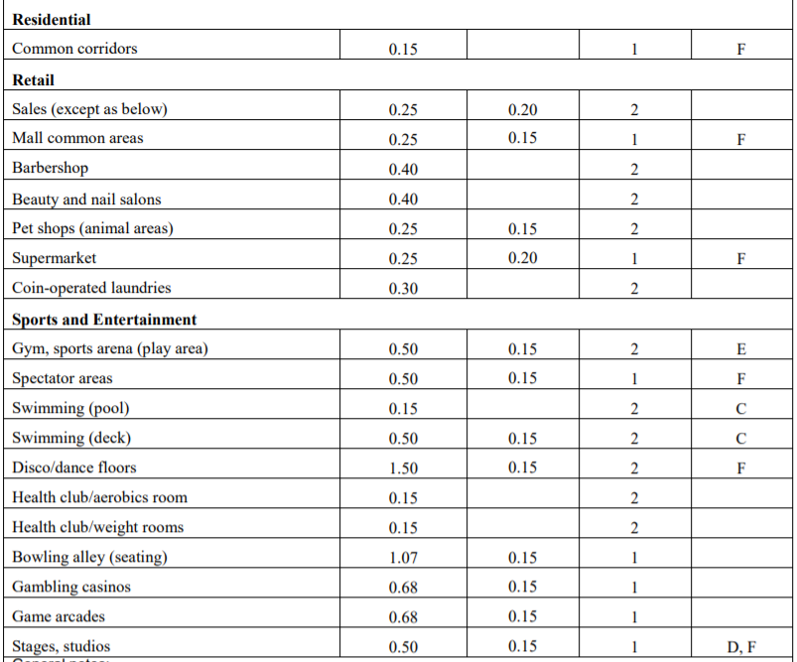
 |  | Museum/gallery | 0.25
 |  | Music/theater/dance | 1.07
 |  | Office | 0.15
 |  | Parking Garage | 0.15 | 0.75
 |  | Pet shop | 0.25 | 0.9
 |  | Pharmacy prep | 0.15
 |  | Photo studio | 0.15
 |  | Reception area | 0.15
 |  | Religious worship | 1.07
 |  | Restaurant- Dining Room | 0.5
 |  | Retail sales | 0.25
 |  | Shipping/ receiving | 0.15
 |  | Shower room- cont. exh. | 0.15 | 20
 |  | Shower room | 0.15 | 50
 |  | Sorting/light assembly | 0.15
 |  | Storage | 0.15
 |  | Storage (chemical) | 0.15 | 1.5
 |  | Studio- stage | 0.5
 |  | Supermarket | 0.25
 |  | Swimming deck | 0.5
 |  | Swimming pool | 0.15
 |  | Telephone/ data | 0.15
 |  | Toilet (private)- cont. exh. | 0.15 | 20
 |  | Toilet (private) | 0.15 | 50
 |  | Toilet (public)- cont. ehx. | 0.15 | 50
 |  | Toilet (public) | 0.15 | 70
 |  | Trash/ recycling | 0.15 | 1.0
 |  | Transportation waiting | 0.5
 |  | Warehouse | 0.15
 |  | Wood/ Metal shop | 0.15 | 0.5

